GPA Evaluation
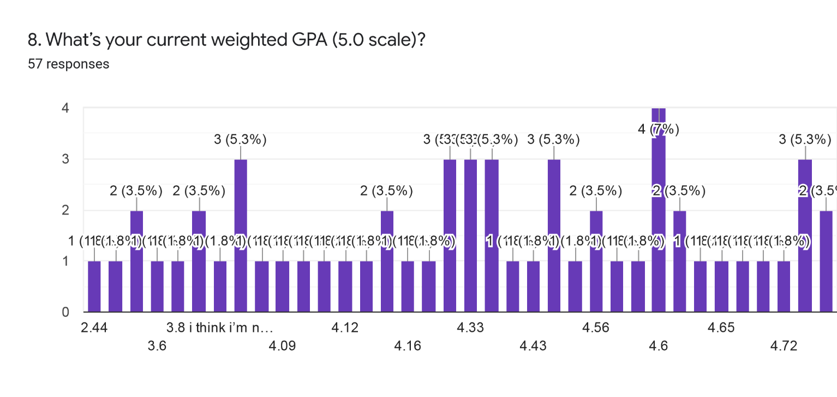
Are you in the WAVE pathway? | What grade level are you? | 7. What’s your current unweighted GPA (4.0 scale)? |  | 8. What’s your current weighted GPA (5.0 scale)?
Yes | Senior | 3.8 | 27 | 4.3
Yes | Senior | 4 | 5 | 4.6
Yes | Senior | 2.8 |  | 3.1
Yes | Senior | 3.65 |  | 4
No | Senior | 3.74 |  | 4.4
Yes | Senior | 4 |  | 4.3
Yes | Senior | 4 |  | 4.5
Yes | Sophomore | 4 |  | 4.16
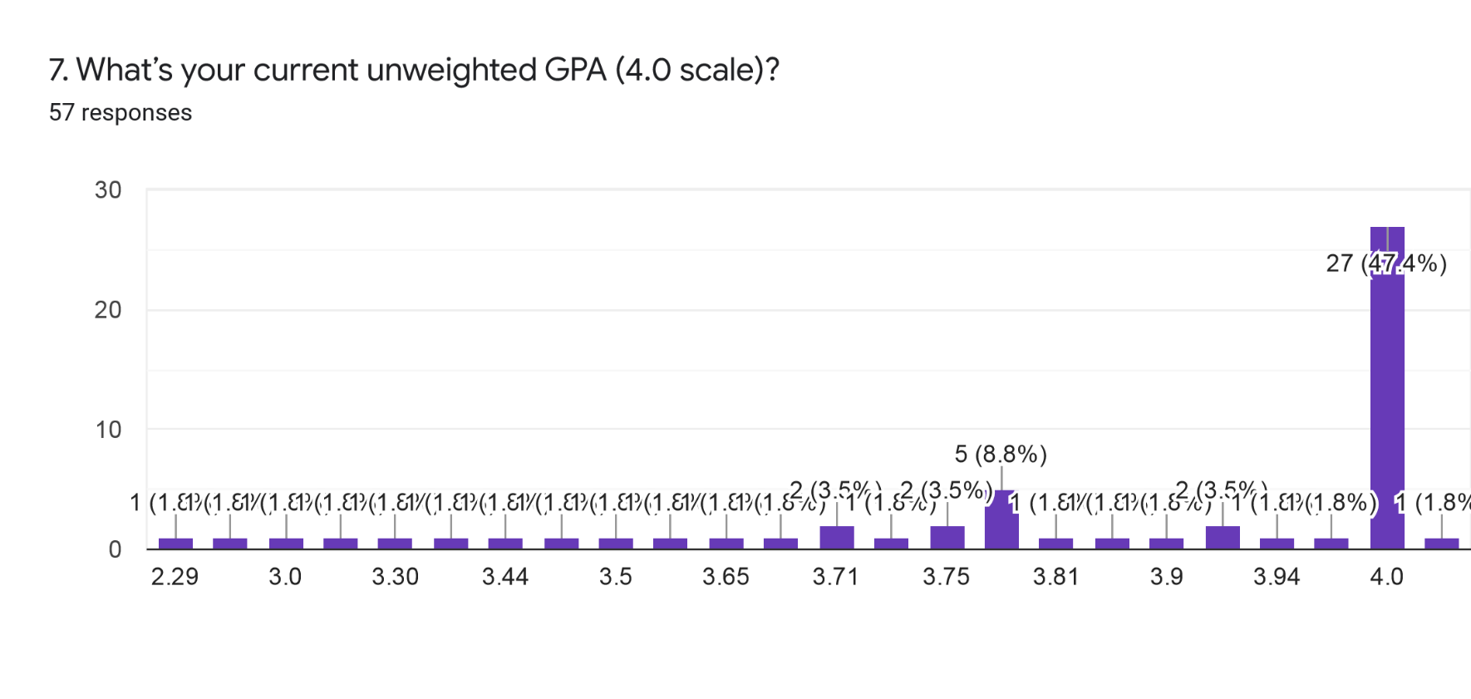
Yes | Senior | 3 |  | 3.8
Yes | Junior | 4 |  | 4.3
Yes | Senior | 3.91 |  | 4.15
Yes | Freshman | 4 |  | 4.15
No | Senior | 4 |  | 4.4
No | Junior | 3.81 |  | 4
No | Sophomore | 3.75 |  | 3.4
Yes | Sophomore | 4 |  | 5
Yes | Sophomore | 3.75 |  | 4.13
Yes | Junior | 4 |  | 4.5
Yes | Sophomore | 4 |  | 4.33
Yes | Senior | 3.94 |  | 4.68
No | Junior | 3.97 |  | 4.07
Yes | Junior | 4 |  | 4.6
Yes | Senior | 4 |  | 4.72
Yes | Freshman | 4 |  | 4.0?
No | Senior | 3.43 |  | 3.8
Yes | Senior | 3.8 |  | 4.4
Yes | Senior | 4 |  | 4.7
Yes | Senior | 3.5 |  | 4.33
No | Senior | 3.71 |  | 4.12
No | Senior | 4 |  | 4.43
No | Junior | 3.5 |  | 3.8 i think i’m not to sure
Yes | Senior | 4 |  | 4.6
Yes | Senior | No grades yet |  | 3.63
Yes | Senior | 3.7 |  | 4.65
Yes | Senior | 3.8 |  | 4.8
No | Senior | 3.8 |  | 4.55
Yes | Senior | 4 |  | 3.6
Yes | Senior | 3.3 |  | 4.4
Yes | Junior | 2.29 |  | 2.44
Yes | Senior | 4 |  | 4.6
Yes | Senior | 4 |  | 4.5
No | Junior | 4 |  | 5
No | Sophomore | 4 |  | 4.5? I'm not sure
No | Junior | 3.83 |  | 4.09
Yes | Junior | 4 |  | 4.33
No | Junior | 3.6 |  | 4
No | Senior | 3.44 |  | 3.4
Yes | Senior | 3.71 |  | 4.56
Yes | Senior | 3.9 |  | 4.6
No | Senior | 4 |  | 4.8
Yes | Sophomore | 4 |  | 4.1
Yes | Senior | 4 |  | 4.62
Yes | Senior | 4 |  | 4.57
Yes | Senior | 3.2 |  | 4.2
Yes | Senior | 4 |  | 4.56
Yes | Senior | 3.91 |  | 4.6
Yes | Senior | 3.8 |  | 4.8

Stress + GPA Correlation
Perceived Stress Evaluation
 | High Level of Stress |  | Moderate Level of Stress |  | Low Level of Stress
91 | 3.8 | 51 | 4 | 39 | 3.8
85 | 2.8 | 43 | 4 | 34 | 3.43
89 | 3.65 | 63 | 4 | 37 | 4
87 | 3.74 | 78 | 3.91
84 | 4 | 74 | 4
80 | 3 | 65 | 4
82 | 3.81 | 55 | 3.75
88 | 3.8 | 52 | 4
93 | 4 | 71 | 3.75
90 | 3.5 | 56 | 4
106 | 3.71 | 63 | 4
88 | 3.5 | 59 | 3.94
80 | 4 | 56 | 3.97
80 | 3.7 | 61 | 4
81 | 3.8 | 40 | 4
81 | 2.29 | 59 | 4
81 | 4 | 66 | 4
82 | 4 | 40 | 4
 |  | 60 | 3.8
 |  | 75 | 4
 |  | 72 | 3.3
 |  | 52 | 4
 |  | 76 | 4
 |  | 53 | 4
 |  | 69 | 3.83
 |  | 61 | 4
 |  | 77 | 3.6
 |  | 67 | 3.44
 |  | 44 | 3.71
 |  | 72 | 3.9
 |  | 74 | 4
 |  | 51 | 4
 |  | 66 | 4
 |  | 48 | 3.2
 |  | 77 | 4
 |  | 48 | 3.91
Senior | 3.8 | 91
Senior | 4 | 39
Senior | 2.8 | 85
Senior | 3.65 | 89
Senior | 3.74 | 87
Senior | 4 | 51
Senior | 4 | 43
Sophomore | 4 | 84
Senior | 3 | 80
Junior | 4 | 63
Senior | 3.91 | 78
Freshman | 4 | 74
Senior | 4 | 65
Junior | 3.81 | 82
Sophomore | 3.75 | 55
Sophomore | 4 | 52
Sophomore | 3.75 | 71
Junior | 4 | 56
Sophomore | 4 | 63
Senior | 3.94 | 59
Junior | 3.97 | 56
Junior | 4 | 61
Senior | 4 | 40
Freshman | 4 | 59
Senior | 3.43 | 34
Senior | 3.8 | 88
Senior | 4 | 93
Senior | 3.5 | 90
Senior | 3.71 | 106
Senior | 4 | 66
Junior | 3.5 | 88
Senior | 4 | 40
Senior | 4 | 80
Senior | 3.7 | 80
Senior | 3.8 | 60
Senior | 3.8 | 81
Senior | 4 | 75
Senior | 3.3 | 72
Junior | 2.29 | 81
Senior | 4 | 52
Senior | 4 | 76
Junior | 4 | 53
Sophomore | 4 | 81
Junior | 3.83 | 69
Junior | 4 | 61
Junior | 3.6 | 77
Senior | 3.44 | 67
Senior | 3.71 | 44
Senior | 3.9 | 72
Senior | 4 | 74
Sophomore | 4 | 51
Senior | 4 | 66
Senior | 4 | 82
Senior | 3.2 | 48
Senior | 4 | 77
Senior | 3.91 | 48
Senior | 3.8 | 37

Mental Health Evaluation
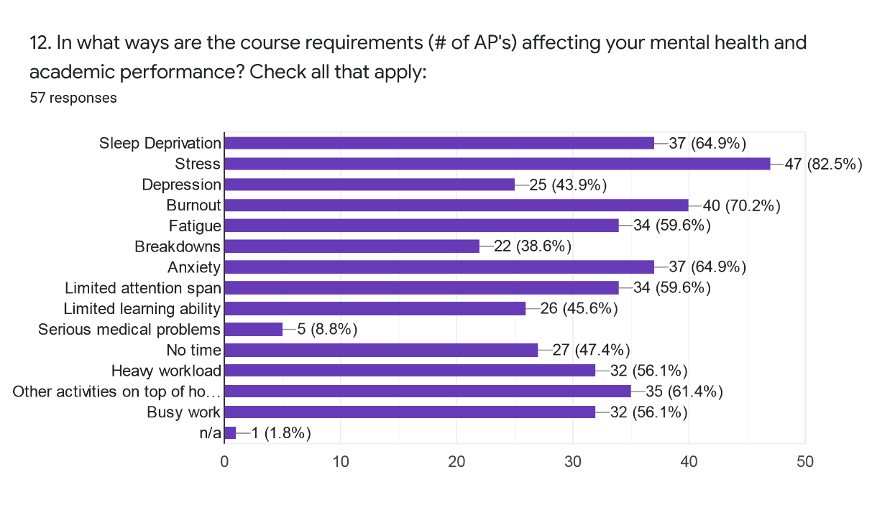
Are you in the WAVE pathway? | What grade level are you?
Yes | Senior
Yes | Senior
Yes | Senior
Yes | Senior
No | Senior
Yes | Senior
Yes | Senior
Yes | Sophomore
Yes | Senior
Yes | Junior
Yes | Senior
Yes | Freshman
No | Senior
No | Junior
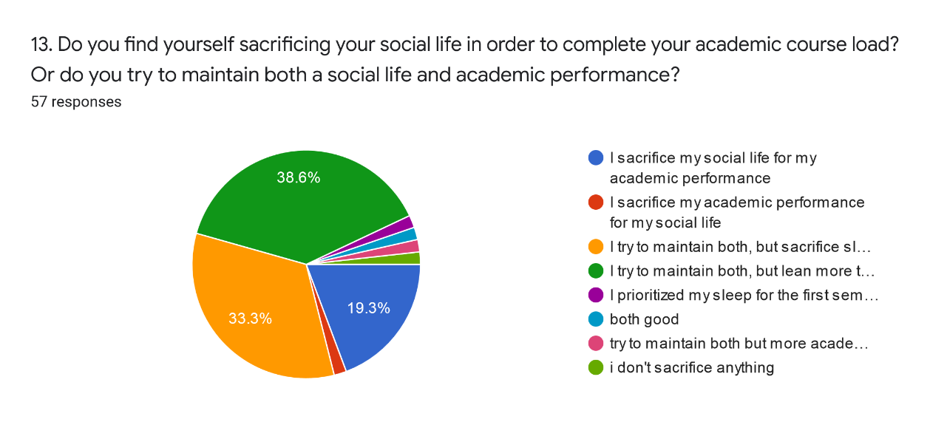
No | Sophomore
Yes | Sophomore
Yes | Sophomore
Yes | Junior
Yes | Sophomore
Yes | Senior
No | Junior
Yes | Junior
Yes | Senior
Yes | Freshman
No | Senior
Yes | Senior
Yes | Senior
Yes | Senior
No | Senior
No | Senior
No | Junior
Yes | Senior
Yes | Senior
Yes | Senior
Yes | Senior
No | Senior
Yes | Senior
Yes | Senior
Yes | Junior
Yes | Senior
Yes | Senior
No | Junior
No | Sophomore
No | Junior
Yes | Junior
No | Junior
No | Senior
Yes | Senior
Yes | Senior
No | Senior
Yes | Sophomore
Yes | Senior
Yes | Senior
Yes | Senior
Yes | Senior
Yes | Senior
Yes | Senior

Self-Efficacy+GPA Correlation
Senior | 3.8 | 28
Senior | 4 | 31
Senior | 2.8 | 27
Senior | 3.65 | 25
Senior | 3.74 | 28
Senior | 4 | 28
Senior | 4 | 31
Self-Efficacy Evaluation
 | High Self-Efficacy |  | Moderate Self-Efficacy
34 | 3.8 | 27 | 2.8
38 | 4 | 26 | 3.65
32 | 3.74 | 24 | 4
30 | 4 | 22 | 4
30 | 4 | 24 | 3.81
29 | 3 | 26 | 3.97
29 | 4 | 23 | 4
38 | 3.91 | 27 | 4
32 | 4 | 20 | 3.5
30 | 3.75 | 24 | 3.71
31 |  | 27 | 3.5
30 |  | 25 | 3.7
34 |  | 27 | 3.8
33 |  | 25 | 3.3
29 |  | 27 | 2.29
29 |  | 26 | 4
28 |  | 27 | 3.83
39 |  | 24 | 4
37 |  |  | 3.6
34 |  |  | 3.44
29 |  |  | 4
32 |  |  | 3.91
29
29
34
34
32
35
28
35
31
28
28
31
28
Sophomore | 4 | 26
Senior | 3 | 35
Junior | 4 | 28
Senior | 3.91 | 35
Freshman | 4 | 32
Senior | 4 | 26
Junior | 3.81 | 24
Sophomore | 3.75 | 34
Sophomore | 4 | 34
Sophomore | 3.75 | 29
Junior | 4 | 29
Sophomore | 4 | 32
Senior | 3.94 | 29
Junior | 3.97 | 27
Junior | 4 | 26
Senior | 4 | 34
Freshman | 4 | 27
Senior | 3.43 | 37
Senior | 3.8 | 39
Senior | 4 | 28
Senior | 3.5 | 25
Senior | 3.71 | 27
Senior | 4 | 29
Junior | 3.5 | 25
Senior | 4 | 33
Senior | 4 | 29
Senior | 3.7 | 27
Senior | 3.8 | 34
Senior | 3.8 | 24
Senior | 4 | 30
Senior | 3.3 | 27
Junior | 2.29 | 20
Senior | 4 | 31
Senior | 4 | 23
Junior | 4 | 30
Sophomore | 4 | 32
Junior | 3.83 | 26
Junior | 4 | 24
Junior | 3.6 | 22
Senior | 3.44 | 24
Senior | 3.71 | 38
Senior | 3.9 | 29
Senior | 4 | 26
Sophomore | 4 | 29
Senior | 4 | 30
Senior | 4 | 30
Senior | 3.2 | 32
Senior | 4 | 38
Senior | 3.91 | 27
Senior | 3.8 | 34

